Bug Report
Category | Label | Value
Bug ID | ID number | 1
 | Name | Shopping cart- Unable to change quantity
 | Reporter | Martin N
 | Submit Date | 2022-09-11
Bug overview | Summary | User cannot change quantity without pressing update shopping cart button
 | URL | https://demo.nopcommerce.com
 | Screenshot | 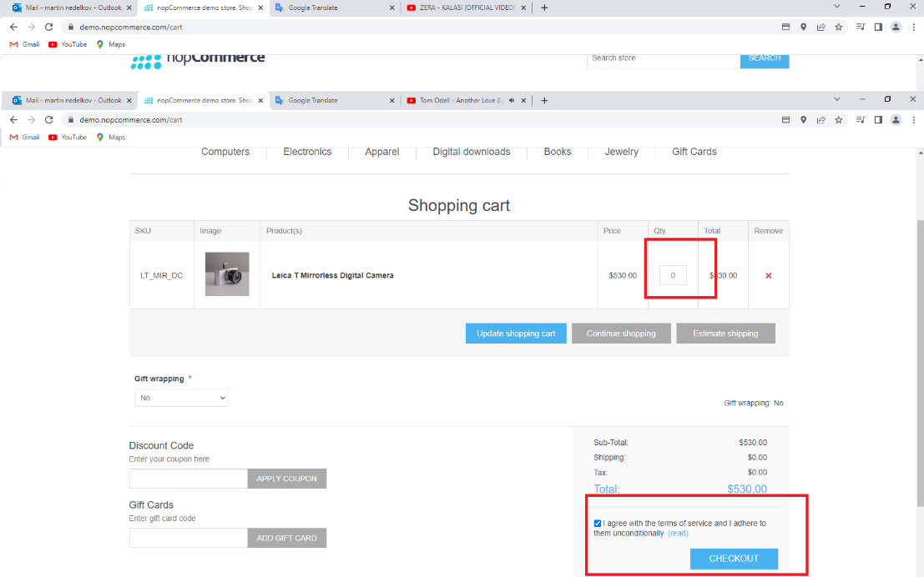
Environment | Platform | Desktop
 | Operating System | windows 10 pro
 | Browser | Google Chrome v.107.0.5304.88
Bug details | Description | when user is on shopping cart page i try to change quantity from there without pressing "enter" or update shopping cart button, quantity in the field will be changed but when you go to checkout quantity will be same like before
 | Steps to reproduce | 1. Open https://demo.nopcommerce.com/ 2.Click on Electronics 3. Click on Camera & Phot 4.C lick Add to cart on Leica T Mirrorless Digital Camera 5. Click on shopping cart link 6. Change the quantity to 0 7.Click on checkout
 | Actual result | The product is not removed and user can continue to checkout
 | Expected result | The product should be removed and shopping cart should be empty
Bug tracking | Severity | Minor
 | Assigned to | /
 | Priority | Medium
Notes | Notes | /

Category | Label | Value
Bug ID | ID number | 2
 | Name | Shopping cart- Discount code not recuded the price
 | Reporter | Martin N
 | Submit Date | 2022-09-11
Bug overview | Summary | valid discount code not reduced the price
 | URL | https://demo.nopcommerce.com
 | Screenshot | 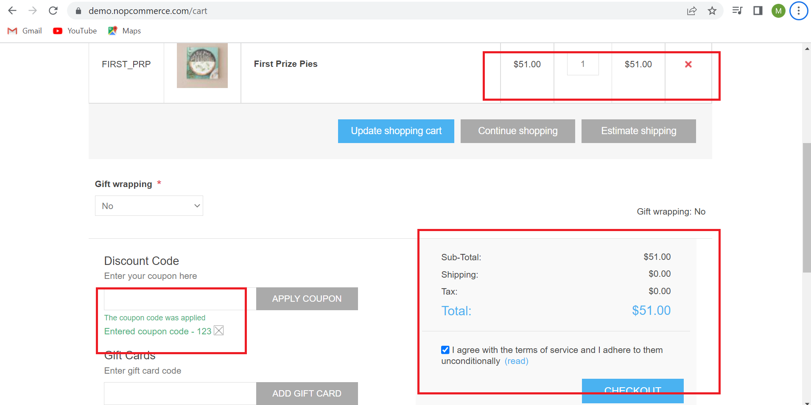
Environment | Platform | Desktop
 | Operating System | windows 10 pro
 | Browser | Google Chrome v.107.0.5304.88
Bug details | Description | when user is applying valid discount code, the price it's not reduced
 | Steps to reproduce | 1. Open https://demo.nopcommerce.com/ 2.Clikc on Books 3.Click add to card on First Prize Pies 4. Click on shopping cart link 5.Apply valid discount code
 | Actual result | code is accepted but the price Is not reduced
 | Expected result | code should be accepted and the price should be reduced
Bug tracking | Severity | Major
 | Assigned to | /
 | Priority | High
Notes | Notes | /

Category | Label | Value
Bug ID | ID number | 3
 | Name | problem user- website get block
 | Reporter | Martin N
 | Submit Date | 2022-09-11
Bug overview | Summary | the website get block
 | URL | https://www.saucedemo.com/
 | 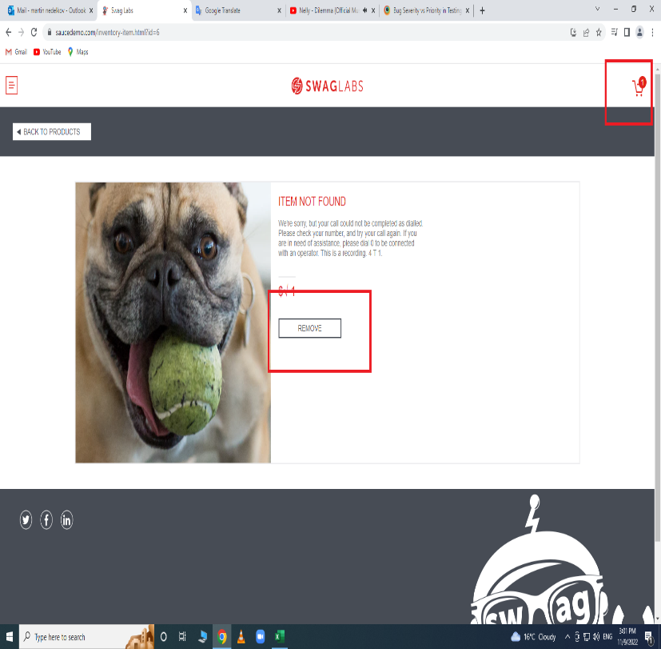 Screenshot | 
Environment | Platform | Desktop
 | Operating System | windows 10 pro
 | Browser | Google Chrome v.107.0.5304.88
Bug details | Description | When user is login with problem_user , click on the link Sauce Labs Fleece Jacket and add to cart (item not found) and then user go to shopping cart the web site get block
 | Steps to reproduce | 1. Open https://www.saucedemo.com/ 2.Login with valid credentials (username:problem_user/ password:secret_sauce) 3. Click Sauce Labs Fleece Jacket (picture or link) 4. Click on Add to cart 5. Click on shopping cart
 | Actual result | the website get block
 | Expected result | user should be able to see his shopping cart
Bug tracking | Severity | Critical
 | Assigned to | /
 | Priority | High
Notes | Notes | /

Category | Label | Value
Bug ID | ID number | 4
 | Name | problem user- sort by filter not working
 | Reporter | Martin N
 | Submit Date | 2022-09-11
Bug overview | Summary | user can't use sort by product filter
 | URL | https://www.saucedemo.com/
 | Screenshot | 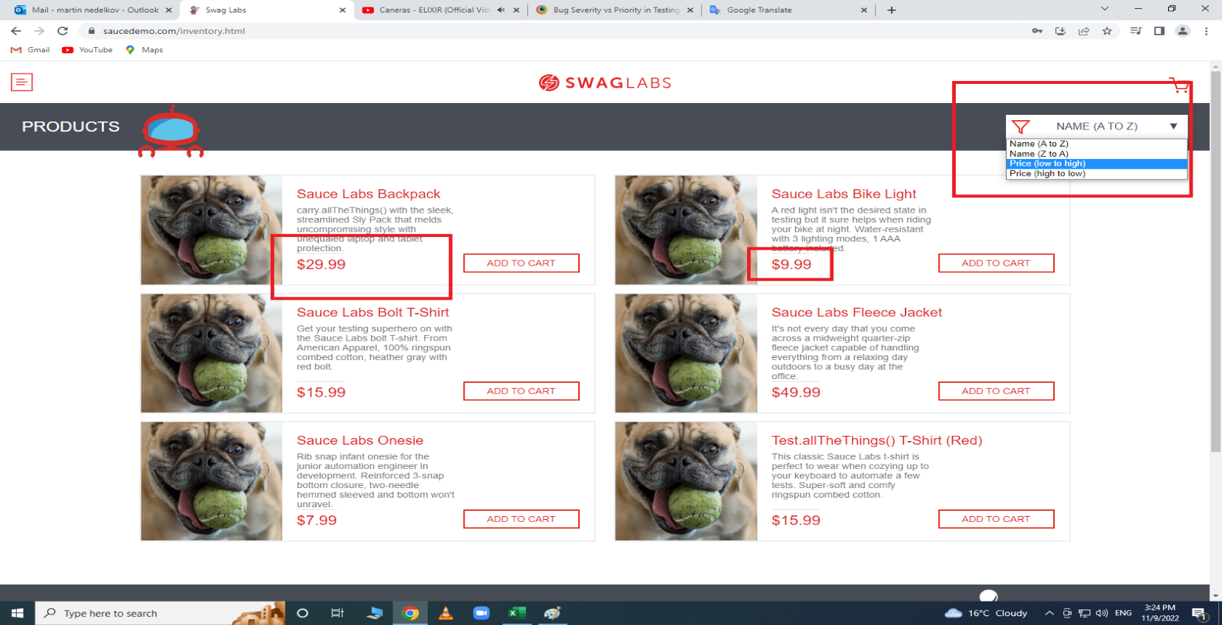
Environment | Platform | Desktop
 | Operating System | windows 10 pro
 | Browser | Google Chrome v.107.0.5304.88
Bug details | Description | When user is logged with problem user ,can't use sort by . When user press on the button for sort by, the drop down menu will be shown , but can't choose to sort by (something)
 | Steps to reproduce | 1. Open https://www.saucedemo.com/ 2.Login with valid credentials (username:problem_user/ password:secret_sauce) 3.Click Sort By (select sort by filter)
 | Actual result | user can't use sort by product filter
 | Expected result | user should be able to see products sorted by chosen filter
Bug tracking | Severity | Major
 | Assigned to | /
 | Priority | High
Notes | Notes | /

Category | Label | Value
Bug ID | ID number | 5
 | Name | Checkout page- Field for phone number populated with letters
 | Reporter | Martin N
 | Submit Date | 2022-09-11
Bug overview | Summary | User can fill the field for phone number with letters and continue
 | URL | https://demo.nopcommerce.com
 | Screenshot | 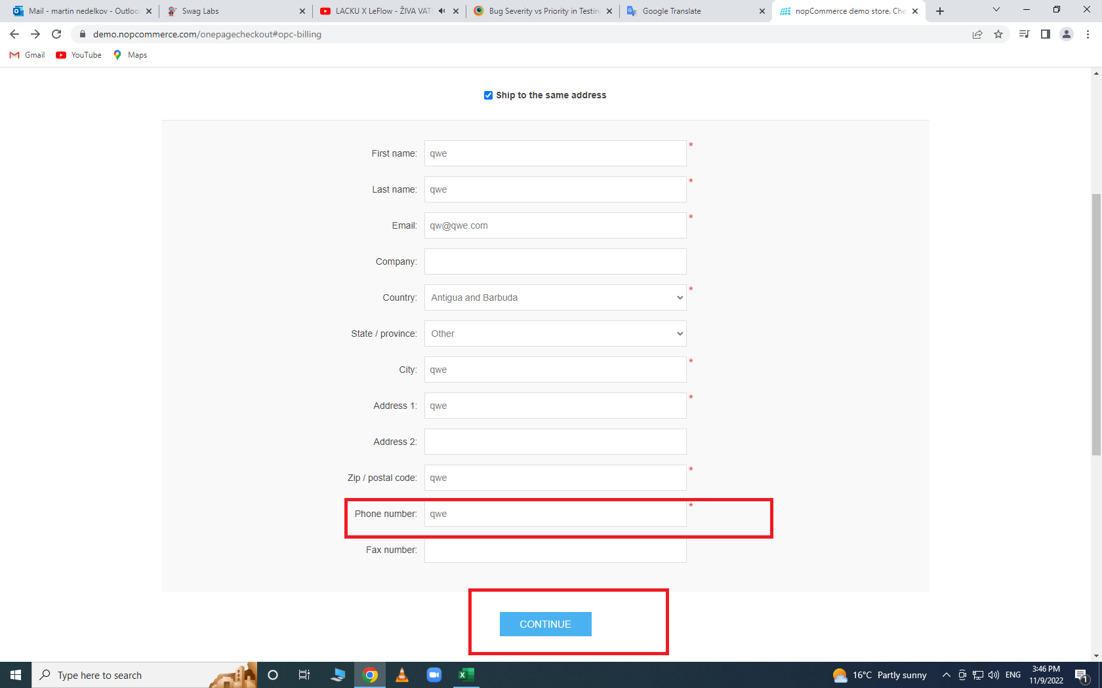
Environment | Platform | Desktop
 | Operating System | windows 10 pro
 | Browser | Google Chrome v.107.0.5304.88
Bug details | Description | when user build address for checkout in field for phone number user can write letters and continue
 | Steps to reproduce | 1. Open https://demo.nopcommerce.com/ 2.Clikc on Books 3.Click add to card on First Prize Pies 4. Click on shopping cart link 5. Click on checkout 6. Click Checkout as guest 7. Populated the mandatory fields 8. Populated the phone number field with letters 9. Click Continue
 | Actual result | user can continue and will be navigated to shipping method page
 | Expected result | user should be able to see error message under field for phone number: please insert a valid phone number
Bug tracking | Severity | Major
 | Assigned to | /
 | Priority | Medium
Notes | Notes | /

Category | Label | Value
Bug ID | ID number | 6
 | Name | standard user- reset app state in shopping cart not working
 | Reporter | Martin N
 | Submit Date | 2022-09-11
Bug overview | Summary | if user use reset app state in shopping cart ,products not gonna be removed
 | URL | https://www.saucedemo.com/
 | Screenshot | 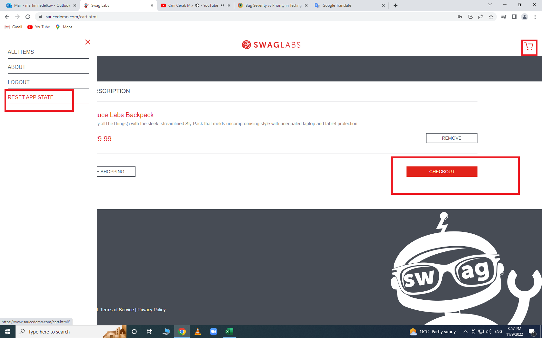
Environment | Platform | Desktop
 | Operating System | windows 10 pro
 | Browser | Google Chrome v.107.0.5304.88
Bug details | Description | when user is login with standard user , add some product to cart, open the shopping cart and from the side menu use reset app state , product not gonna be removed and user can continue to checkout
 | Steps to reproduce | 1. Open https://www.saucedemo.com/ 2.Login with valid credentials (username:standard _user/ password:secret_sauce) 3. Click on Add to card on Sauce Labs Backpack 4. Click Shopping cart 5.Click on Reset App State
 | Actual result | shopping cart is not empty, product still there ,user can continue to checkout
 | Expected result | user should be able to see shopping cart empty
Bug tracking | Severity | Major
 | Assigned to | /
 | Priority | High
Notes | Notes | /

Category | Label | Value
Bug ID | ID number | 7
 | Name | standard user-user can checkout with empty shopping cart
 | Reporter | Martin N
 | Submit Date | 2022-09-11
Bug overview | Summary | user can checkout with empty shopping cart
 | URL | https://www.saucedemo.com/
 | Screenshot | 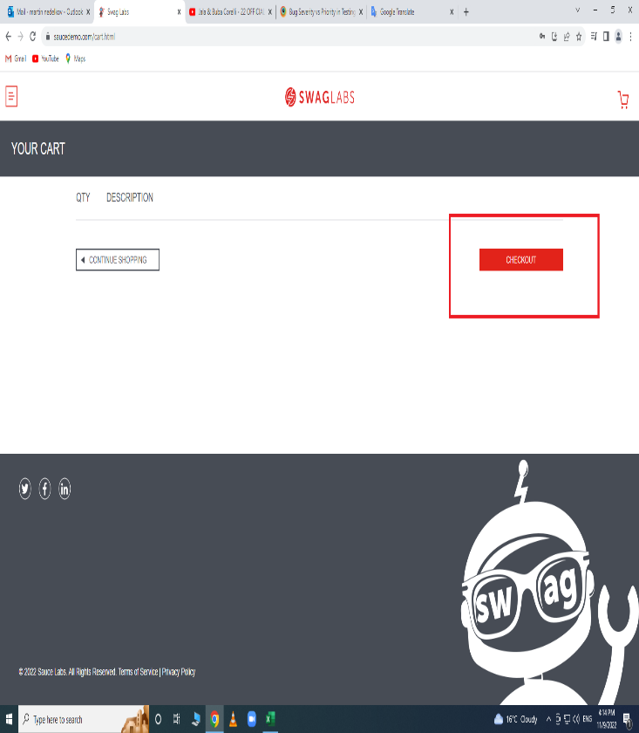 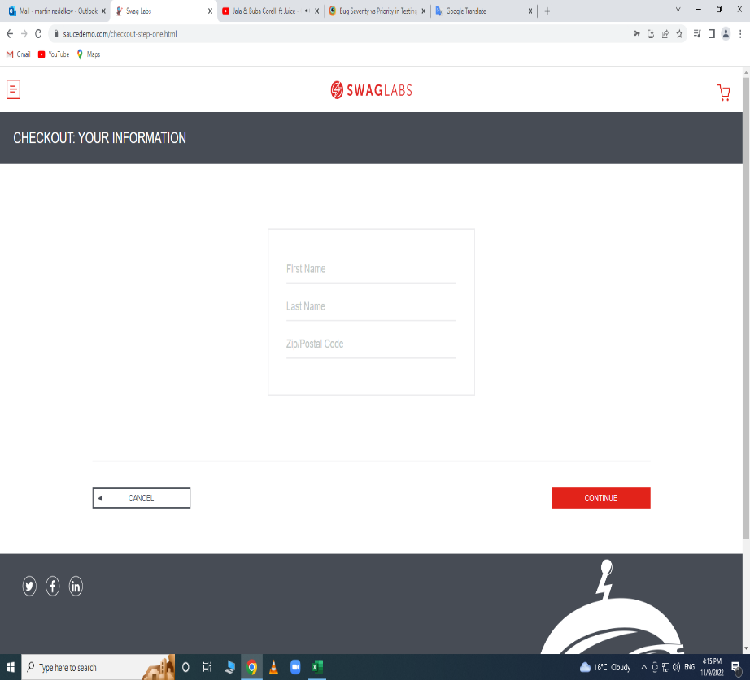
Environment | Platform | Desktop
 | Operating System | windows 10 pro
 | Browser | Google Chrome v.107.0.5304.88
Bug details | Description | when user login with standard_user and if shopping cart is empty user can open it and shopping cart and continue to checkout page
 | Steps to reproduce | 1. Open https://www.saucedemo.com/ 2.Login with valid credentials (username:standard_user/ password:secret_sauce) 3. Click Shopping cart 4. Click Checkout
 | Actual result | user can continue to checkout with empty shopping cart
 | Expected result | user should be able to see error message: Shopping cart is empty
Bug tracking | Severity | Major
 | Assigned to | /
 | Priority | High
Notes | Notes | /

Category | Label | Value
Bug ID | ID number | 8
 | Name | performance_glitch_user -the page working very slow
 | Reporter | Martin N
 | Submit Date | 2022-09-11
Bug overview | Summary | the web site working very slow
 | URL | https://www.saucedemo.com/
 | Screenshot
Environment | Platform | Desktop
 | Operating System | windows 10 pro
 | Browser | Google Chrome v.107.0.5304.88
Bug details | Description | when user is login with performance_glitch_user the page is very slow. when user go from one to another page its taking couple seconds.Example(try to open some product and then click on back to products, its gonna taking couple seconds)
 | Steps to reproduce | 1. Open https://www.saucedemo.com/ 2.Login with valid credentials (username:performance_glitch_user/ password:secret_sauce) 3. Click on linkSauce Labs Backpack 4. Click Back to Products
 | Actual result | user can see home page in about 7 seconds
 | Expected result | user should be able see home page in about 1sec
Bug tracking | Severity | Major
 | Assigned to | /
 | Priority | Medium
Notes | Notes | /

Category | Label | Value
Bug ID | ID number | 9
 | Name | problem_user not same product on PLP and PDP
 | Reporter | Martin N
 | Submit Date | 2022-09-11
Bug overview | Summary | not same product on PLP and PDP
 | URL | https://www.saucedemo.com/
 | Screenshot | 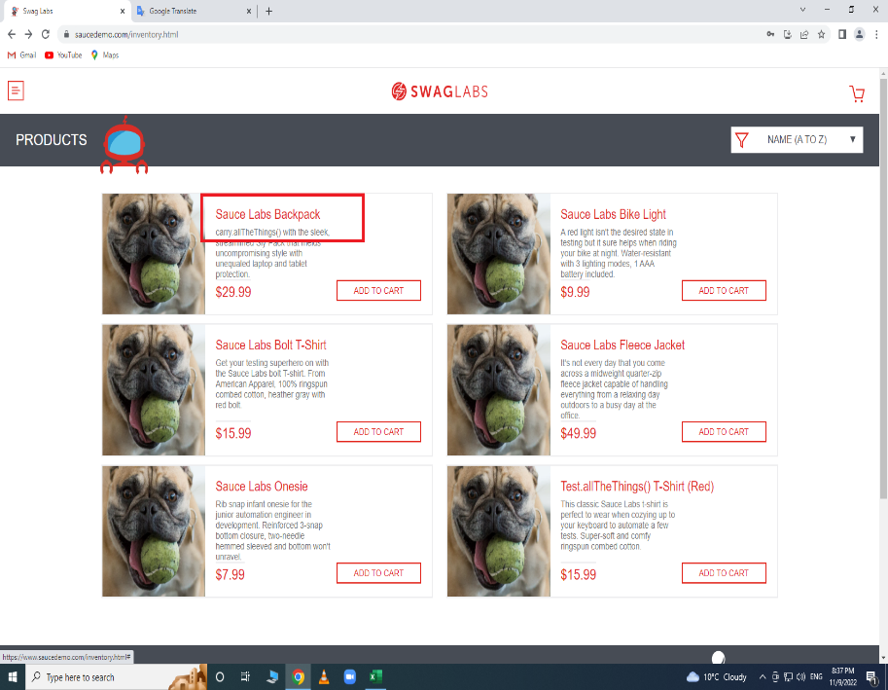 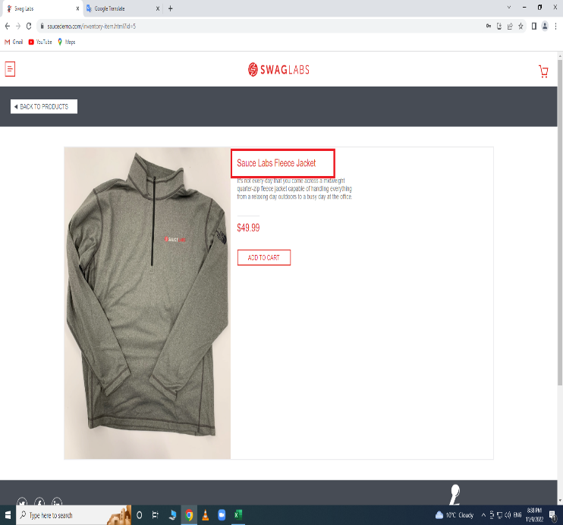
Environment | Platform | Desktop
 | Operating System | windows 10 pro
 | Browser | Google Chrome v.107.0.5304.88
Bug details | Description | when user is login with problem user , open it some product in PDP , the product not gonna be the same like in PLP
 | Steps to reproduce | 1. Open https://www.saucedemo.com/ 2.Login with valid credentials (username:problem _user/ password:secret_sauce) 3. Click on link Sauce Labs Backpack
 | Actual result | user will see different products in PDP
 | Expected result | user should be able to see same product like in PLP
Bug tracking | Severity | Major
 | Assigned to | /
 | Priority | High
Notes | Notes | /

Category | Label | Value
Bug ID | ID number | 10
 | Name | problem_user-user can't to populate field for last name
 | Reporter | Martin N
 | Submit Date | 2022-09-11
Bug overview | Summary | user can't to populate field for last name
 | URL | https://www.saucedemo.com/
 | Screenshot | 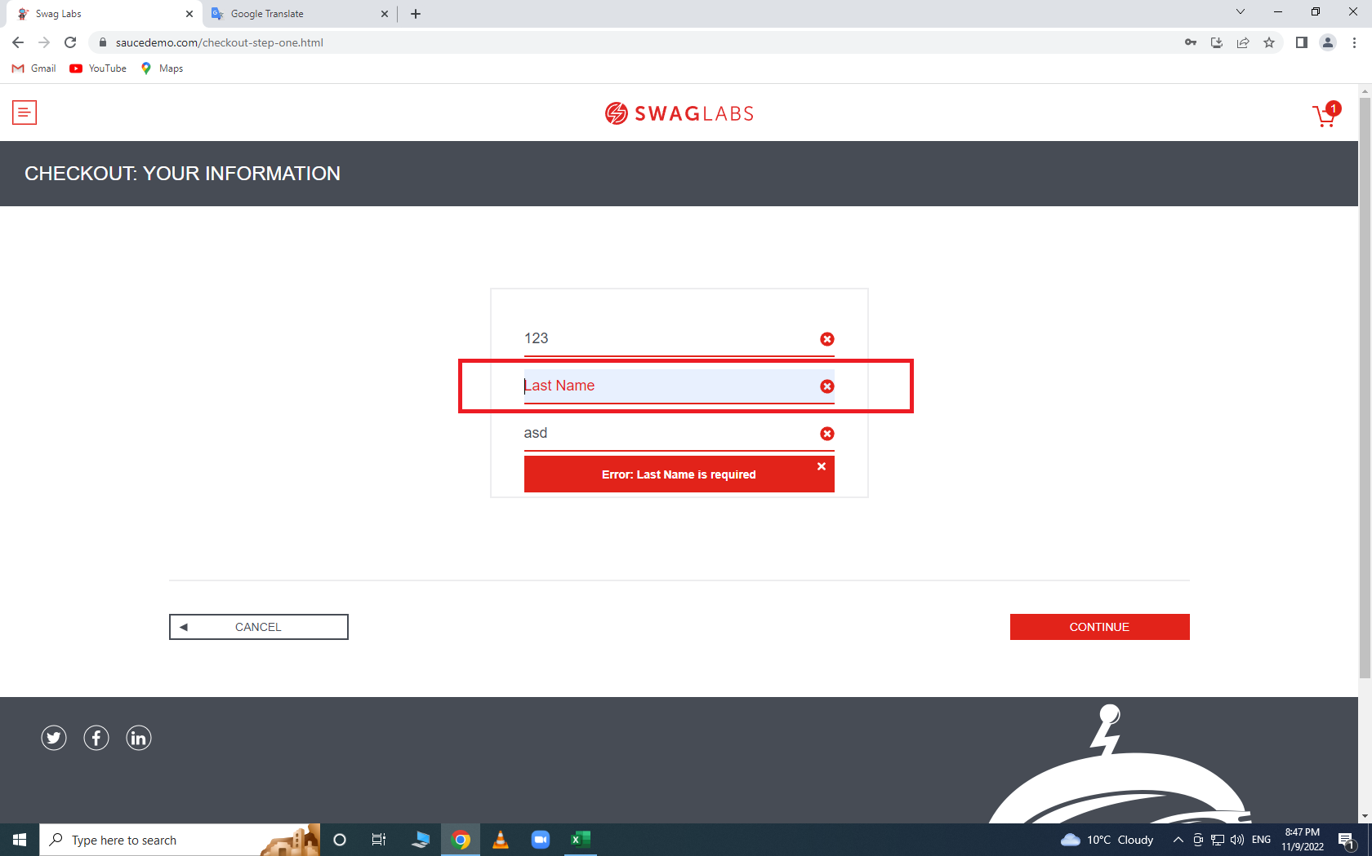
Environment | Platform | Desktop
 | Operating System | windows 10 pro
 | Browser | Google Chrome v.107.0.5304.88
Bug details | Description | when user is login with problem_user , have some product in shopping cart and try to checkout , you can't populate the field for last name (when you try to write something there the letter will be written on the first name field )
 | Steps to reproduce | 1. Open https://www.saucedemo.com/ 2.Login with valid credentials (username:problem _user/ password:secret_sauce) 3. Click on add to cart Sauce Labs Backpack 4.Click on Shopping cart 5.Click on Checkout
 | Actual result | user can fill fields for first name and Zip/Postal code ,but can't fill the field for last name and cant continue
 | Expected result | user should be able to fill all fields and continue
Bug tracking | Severity | Major
 | Assigned to | /
 | Priority | High
Notes | Notes | /

Category | Label | Value
Bug ID | ID number | 11
 | Name | problem_user Remove button not working
 | Reporter | Martin N
 | Submit Date | 2022-11-12
Bug overview | Summary | Remove button not working
 | URL | https://www.saucedemo.com/
 | Screenshot | 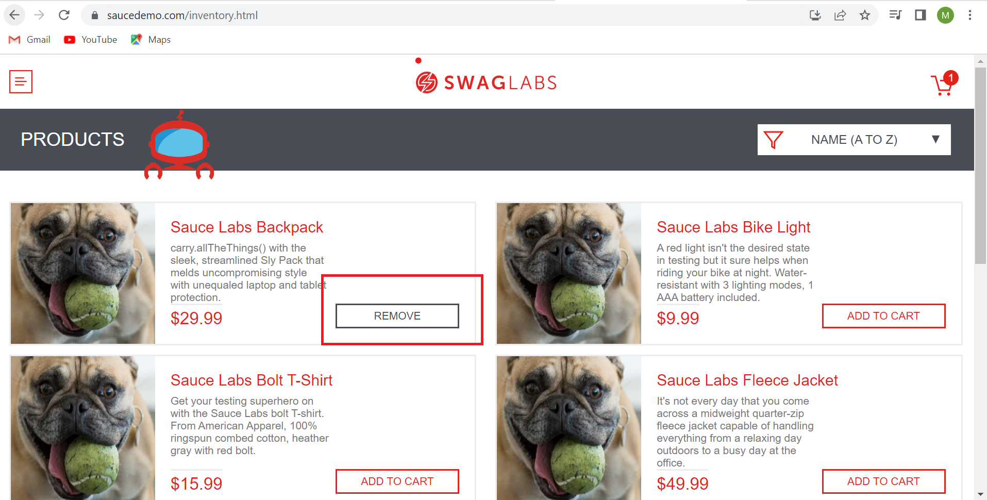
Environment | Platform | Desktop
 | Operating System | windows 10 pro
 | Browser | Google Chrome v.107.0.5304.88
Bug details | Description | when user is login with problem user user can add to cart some product, but when the button changes to REMOVE button, button not working
 | Steps to reproduce | 1. Open https://www.saucedemo.com/ 2.Login with valid credentials (username:problem _user/ password:secret_sauce) 3.Click Add product to cart (some product)
 | Actual result | user can't use remove button(button not working)
 | Expected result | user should be able to use remove button
Bug tracking | Severity | Minor
 | Assigned to | /
 | Priority | High
Notes | Notes | /

Category | Label | Value
Bug ID | ID number | 12
 | Name | problem_user -add to cart button not working
 | Reporter | Martin N
 | Submit Date | 2022-11-12
Bug overview | Summary | Add to cart button not working
 | URL | https://www.saucedemo.com/
 | Screenshot | 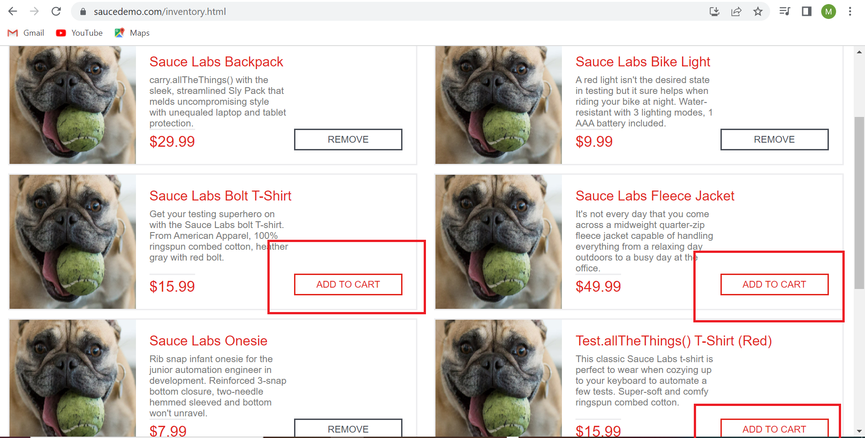
Environment | Platform | Desktop
 | Operating System | windows 10 pro
 | Browser | Google Chrome v.107.0.5304.88
Bug details | Description | when user is login with problem user , user can't use add to cart button on all products
 | Steps to reproduce | 1. Open https://www.saucedemo.com/ 2.Login with valid credentials (username:problem _user/ password:secret_sauce) 3.Click Add product to cart
 | Actual result | user can't use add to cart button on all products
 | Expected result | user should be able to use all buttons for add to cart
Bug tracking | Severity | Minor
 | Assigned to | /
 | Priority | High
Notes | Notes | /

